Coverpage
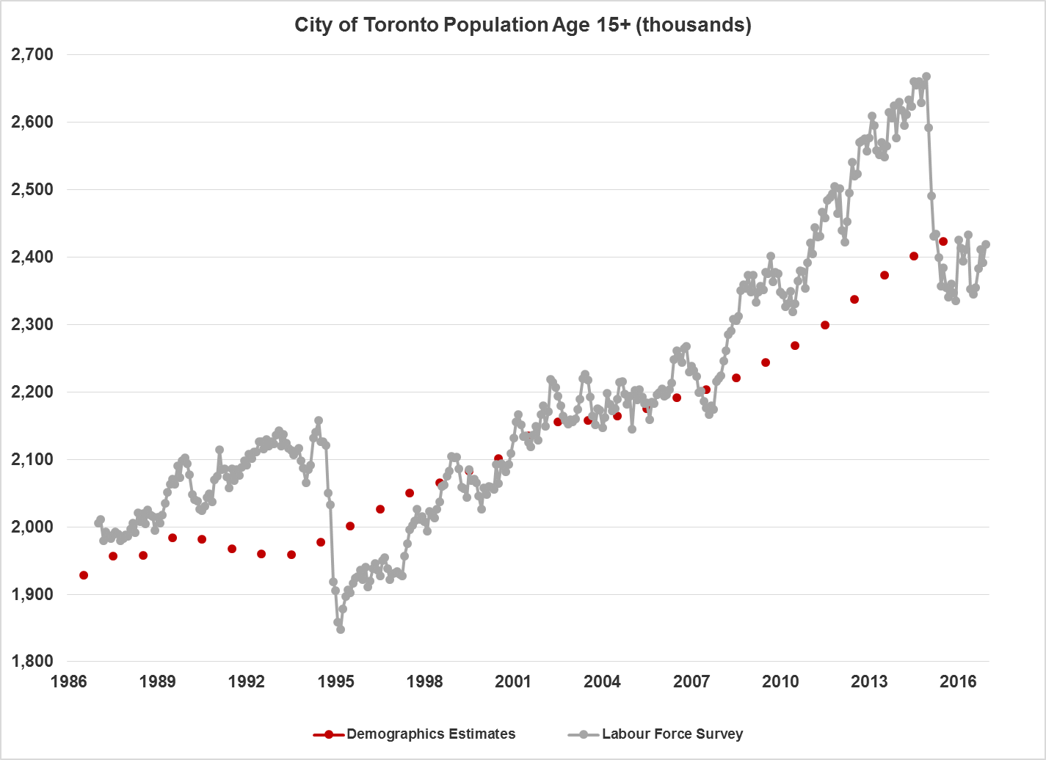
Updated Feb. 15, 2018
Labour Force Survey Summary
Statistics Canada publishes monthly labour force statistics for all Canadian Census Metropolitan Areas (CMAs) and provinces. The City of Toronto purchases an additional special run of Labour Force Survey (LFS) data from Statistics Canada that is specific to city of Toronto residents (separate from the rest of the Toronto CMA).
LFS data are collected by place of residence. As a result, city of Toronto "employment" numbers represent "employed residents" and not "jobs" in the city of Toronto. There are more jobs in the city of Toronto than employed city of Toronto residents.
Important Note about City of Toronto LFS data
Statistics Canada substantially changed the methodology used to produce LFS population estimates for the city of Toronto at the beginning of 2015. These changes have resulted in large and inexplicable swings in population and related counts, which are not real. The chart below illustrates the magnitude of this problem.
The red dots in chart represent Statistics Canada's Annual Demographics estimates for the population of the city of Toronto, age 15 and over. These are only estimates, but they are generally accepted as the most accurate estimates for the city's population (Statistics Canada, CANSIM Table 051-0062)
(http://www5.statcan.gc.ca/cansim/a26?lang=eng&id=510062)
All of the LFS counts for the city of Toronto residents have been adjusted to make the population estimates embedded in the LFS data conform to benchmark population totals. This does not affect rates (including, for example, the unemployment rate and the percentage of workers that are self-employed). It is also does not affect other levels of geography, except the "905", which is calculated as the residual (Toronto Census Metropolitan Area (CMA) minus city of Toronto).
The most recent Statistics Canada population estimate is for July 1, 2016; therefore, we have to use projections for 2017 and beyond. There are several population projections for the city. The projection that EDC staff has chosen to use for rebasing LFS data is based on Statistics Canada's 2016 demographics estimates (based on the 2016 census).
To handle the transition from the Statistics Canada data ending in 2016, to the Ministry of Finance's projections (2017 onwards), staff have used the annual change in the Finance projections to add to the demographics estimates for 2017 that were produced by the Ontario Ministry of Finance in January 2017. For population projection, please see Ontario Population Projections Updates, 2015-2041 (https://www.fin.gov.on.ca/en/economy/demographics/projections/)
Please note that the LFS data available in Open Data are not rebased. It is strongly suggested that all absolute numbers (employed, unemployed, etc.) for the City of Toronto be rebased.
(https://www.toronto.ca/city-government/data-research-maps/open-data/open-data-catalogue/#bfb214e8-eb70-6c74-ac28-89c016a1f553)
Contacts
Research & Information Systems Unit
Economic Development & Culture Division
Email: edcresearch@toronto.ca
Related Information
North American Industry Classification Systems (NAICS) Canada 2012
http://www23.statcan.gc.ca/imdb/p3VD.pl?Function=getVD&TVD=118464
National Occupational Classification (NOC) 2011
http://noc.esdc.gc.ca/English/noc/OccupationIndex.aspx?ver=11

