pics
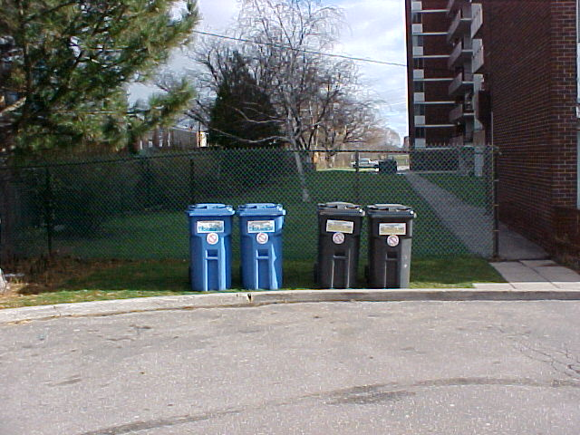
2, 3, 4, 5, 6, 8 cubic yards containers
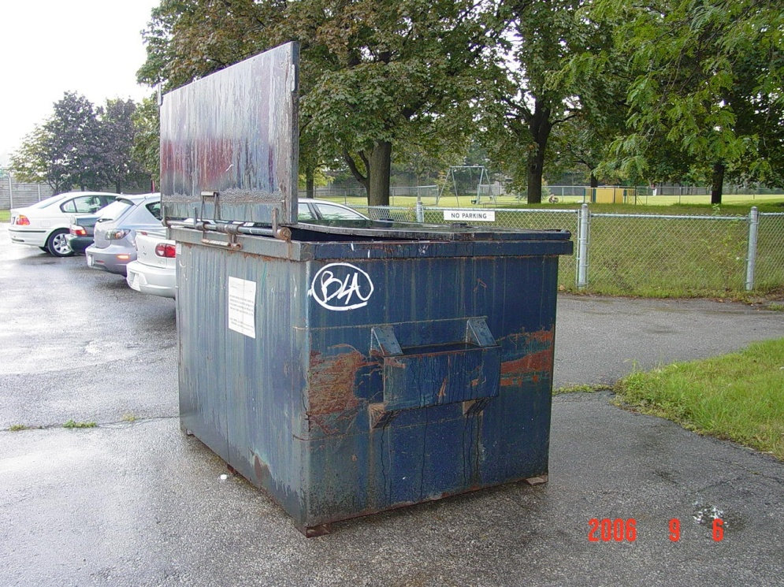

XL BINS (95 Gallon Carts)

